0. Introduction
Introduction

Upfront Carbon Tool

Overview
The Upfront Carbon Tool evaluates construction projects at the initial phase using Life Cycle Assessment (LCA) to measure upfront carbon emissions when newly constructed. It tracks CO2 consumption during construction, highlights the impact across phases, and provides the total project weight. Users can input the share of reused materials to understand their weight breakdown.
In some LCA methodologies, biogenic materials are considered to have negative carbon emissions at stages A1-A3 (in that they sequester carbon). The negative emissions are then balanced out with positive emissions in the end-of-life phases, as the sequester carbon is released.
When only considering LCA stages A1-A3, this creates a misrepresentation, by which emissions result lower than they would be if the end-of-life stages were accounted for.
The Upfront Carbon Tool therefore presents results for the two scenarios - when only stages A1-A3 are considered, and when a holistic approach to emissions is taken, including end-of-life stages.

Development
Designed to meet emerging ESG reporting requirements, the Upfront Carbon Tool aims to showcase reporting metrics for stakeholders. The tool provides insights into the carbon footprint, total project weight, and the breakdown of reused materials. It helps streamline the ESG reporting process, making it easier to extract key metrics.

Spreadsheet Contents

 | 0. Introduction | - Overview of the tool and its purpose.
 | 1. Getting Started | - Step-by-step instructions on how to use the tool and uploading file
 | 2. Results | - Displays the main overview of CO2 impact measured across stages
 | 3. Read More | - Additional explanation, methodology details, licensing information etc.

This tool is part of the toolbox developed for the book "Circular Construction for Urban Development". For more context on the methodology, licensing, version history and other relevant information, please refer to the "Read More" tab in this spreadsheet.

1. Getting Started
Getting Started

How to Retrieve your LCA Data
To calculate and generate results you will need to use LCAbyg and export
your project's "data" into excel. Go through step 0-3 as seen on the
figure below and export the file to a place where you can find it.
Afterwards, you will need to upload the file into this Excel tool.

 |  | 3. Button to export LCAbyg file
 | 1. Open LCAbyg project | Click on "Eksporter Excel" button when |  | 0. Switch Language
 | Open your old projects in LCAbyg | you have finalised your LCA calculations. |  | The tool works only for Danish export

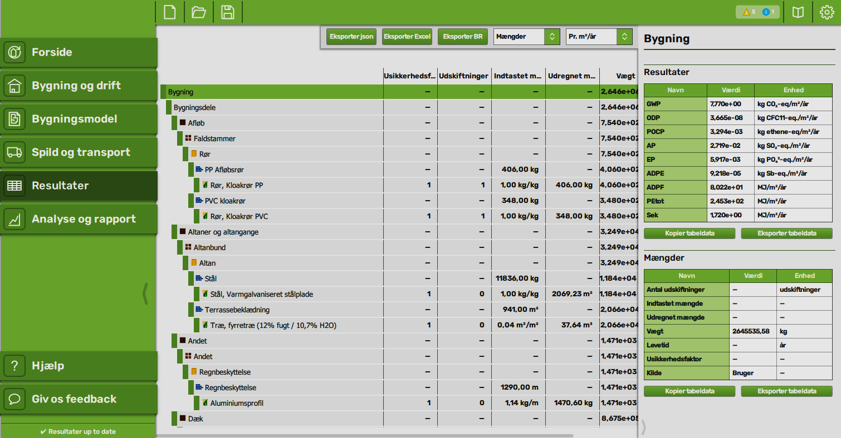

2. Retrieve results
Click on "Resultater" to retrieve your
projects data.

 |  |  |  |  | Figure showing: Screenshort of LCAbyg interface

Upload your Project Data.
To find how a project's carbon performance, relate to the planetary boundaries.
You will have to use the exported Excel file for LCAbyg. The tool is structured
after LCAbyg, but similar tools can be applied if you have the results.

Click on button to upload or replace your "LCAbyg" exported Excel file

% direct reused materials in balconies |  | 10 | % (by weight)
% direct reused materials in beams and columns |  | 40 | % (by weight)
% direct reused materials in electrical components |  | 50 | % (by weight)
% direct reused materials in floors |  | 10 | % (by weight)
% direct reused materials in foundation and slab |  | - | % (by weight)
% direct reused materials in inner walls |  | 100 | % (by weight)
% direct reused materials in outer walls |  | 50 | % (by weight)
% direct reused materials in roofs |  | - | % (by weight)
% direct reused materials in staircases |  | - | % (by weight)
% direct reused materials in technical installations |  | - | % (by weight)
% direct reused materials in windows, doors and glass facades |  | - | % (by weight)

2. Results & Iterations
Results and Iterations

Results
Here you will find an overview over main LCA results measured in GWP (kg CO2-e)
The planetary boundaries differ for each country, and is perceived differently
depending on allocation principle. In the book "Doughnut for Urban Development"
we presented several principles and recommended the use of the "Sufficiency"
Click on button to return to update project data
and "Equal per capita" allocation principle as the most fair reference. Below
we refer to the limit and planets needed divided by use per person.
Choose country

Total Upfront Emissions |  | Total Emissions Across Stages

A1-A3 | 273546.16937
A4 | 0
A5 | 0
B1 | 0
B2 | 0
B3 | 0
B4 | 43244.640125
B5 | 0
B6 | 104338.33837
B7 | 0
C1 | 0
C2 | 0
C3 | 43904.392317
C4 | 14416.641833
273,546 |  | tons CO2-eq

tons CO2-eq (A1-A5)

This result is solely based on the emissions associated with stages A1-A5. Biogenic materials are here factored in as a negative amount.

331,867
 |  |  | A1-A3 | A4 | A5 | B1 | B2 | B3 | B4 | B5 | B6 | B7 | C1 | C2 | C3 | C4

tons CO2-eq (A1-A5 + C3-C4) |  |  | Raw Materials, transport, manufacturing | Transport | Construction installation process | Use | Maintenance | Repair | Replacement | Refurbishment | Operational energy | Operational water | De-construction demolition | Transport | Waste processing | Disposal

This result accounts for upfront and end-of-life stages, in order to balance out the negative carbon emissions of biogenic materials from stages A1-A5, by including C3-C4.

 |  |  | Product | Construction |  | Use |  |  |  |  |  |  | End-of-life

Carbon Share Accross Stages |  | Accumulated Emission Per sqm Across Stages
Product and construction | 273546.16937 | 57.1%
Use | 147582.97849 | 30.8%
End-of-life | 58321.034149 | 12.2%
 |  | kg CO2-eq/m2/yr

Total Upfront Weight (Reuse persp)
1,106

 | Virgin material | Reused material
Balconies | 14.659175588 | 1.6287972876
Beams and columns | 1.1771808 | 0.7847872
Electrical Components | 1.4675 | 1.4675
Floors | 253.475541 | 28.163949
Foundation and Slab | 245.962215 | 0
Inner walls | 0 | 150.5578552
Outer walls | 114.50998825 | 114.50998825
Roofs | 32.8988841 | 0
Staircases | 130.071852 | 0
Technical Installations | 2.35414768 | 0
Windows, doors and glass facades | 12.0714035 | 0
tons in total

 |  |  | A1-A3 | A4 | A5 | B1 | B2 | B3 | B4 | B5 | B6 | B7 | C1 | C2 | C3 | C4

 |  |  | Raw Materials, transport, manufacturing | Transport | Construction installation process | Use | Maintenance | Repair | Replacement | Refurbishment | Operational energy | Operational water | De-construction demolition | Transport | Waste processing | Disposal

 |  |  | Product | Construction |  | Use |  |  |  |  |  |  | End-of-life
 | tons (weight)

3. Read More

Read More

Methodology
The Upfront Carbon Tool provides a detailed analysis of upfront carbon emissions for construction projects using Life Cycle Assessment (LCA) methodologies. LCA is a widely used approach in construction that assesses the environmental impact of a project throughout its entire lifecycle, from raw material extraction to disposal, including production, use, and end-of-life phases.
In construction, LCA phases are categorized into several stages. The A1-A3 phases cover the product stage: extraction and processing of raw materials (A1), transport to the manufacturing site (A2), and manufacturing of construction products (A3). The B4 phase involves the replacement of components during the building's use phase, and the B6 phase covers operational energy use. The C3 phase deals with waste processing for reuse, recovery, and recycling at the end of the building's life, while the C4 phase involves the disposal of building materials.
In Denmark, buildings typically have a lifetime expectancy of 50 years, and LCA reporting focuses on phases A1-A3, B4, B6, and C3 + C4. This focus helps understand both the immediate environmental burden during construction and the long-term impact of building materials.
The Upfront Carbon Tool leverages LCAbyg, a popular LCA software in Denmark, for quick and detailed assessments of upfront carbon emissions. It is also compatible with other LCA software, ensuring versatility and broader applicability across different regions and regulatory frameworks.
By quantifying CO2 emissions during the initial construction phases, the tool helps identify and minimize immediate environmental impacts. It provides insights into the total project weight and allows users to input data on reused materials to understand their contribution to the overall carbon footprint. This focus on upfront emissions is crucial, as it addresses the immediate impact of construction activities, unlike end-of-life emissions, which are projected many years into the future.

Licensing
This program is licensed under the GNU General Public License v3.0, © 2007 the authors. It is provided with absolutely no warranty. You are free to modify and distribute this work under certain conditions (in particular, all resulting published works must be licensed under the same license). See the "License terms" tab or [choosealicense.com/licenses/gpl-3.0](https://choosealicense.com/licenses/gpl-3.0/).

Updates and Version History
The current version is 1.0
Password for unlocking workbook is: CCUD

Credits
This tool has been developed by Nicolas Francart, Dan Pham and the project group and reviewed by Harpa Birgisdottir, Agnes Garnow, Frederik Brauer and Giacomo Brusa Cattaneo as a part of the "Circular Construction for Urban Development" book.

